x (coordinates)
 |  |  | 16.175
 |  | 11.375 |  | 20.975
 | 6.575 |  | 16.175 |  | 25.775
 |  | 11.375 |  | 20.975
 | 6.575 |  | 16.175 |  | 25.775
 |  | 11.375 |  | 20.975
 | 6.575 |  | 16.175 |  | 25.775
 |  | 11.375 |  | 20.975
 | 6.575 |  | 16.175 |  | 25.775
 |  | 11.375 |  | 20.975
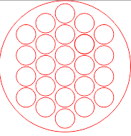
orientation: |  |  | 16.175

z (measurements)
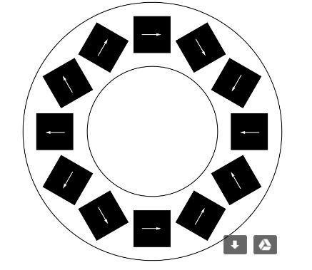
 | *units of mT |  | 0 | 0 | 0
 |  | 0 | 0 | -9.95 | 0 | 0
0 | 0 | 0 | -10.76 |  | -6.61 | 0 | 0 | 0
0 | 0 | -13.1 |  | -8.77 |  | -9.8 | 0 | 0
0 | 0 |  | -10.14 |  | -7.6 |  | 0 | 0
0 | 0 | -10.82 |  | -7.62 |  | -8.83 | 0 | 0
0 | 0 |  | -8.52 |  | -7.18 |  | 0 | 0
0 | 0 | -9.87 |  | -7.22 |  | -7.45 | 0 | 0
0 | 0 |  | -7.61 |  | -7.46 |  | 0 | 0
0 | 0 | -13.89 |  | -7.64 |  | -6.11 | 0 | 0
0 | 0 | 0 | -8.98 |  | -5.12 | 0 | 0 | 0
orientation of holder: |  | 0 | 0 | -7.87 | 0 | 0 | 0 | 0
 |  |  | 0 | 0 | 0 | 0
 |  |  |  | 0 | 0

orientation of magnets:

